script
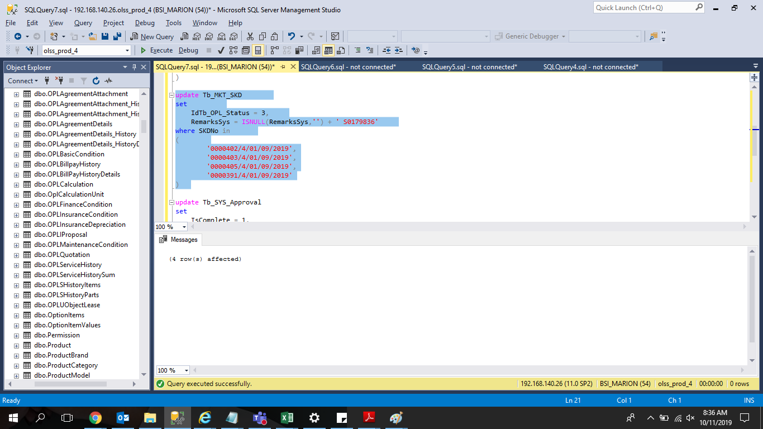
update Tb_MKT_SKD
set
 | IdTb_OPL_Status = 3,
 | RemarksSys = ISNULL(RemarksSys,'') + ' S0179836'
where SKDNo in
(
 |  | '0000402/4/01/09/2019',
 |  | '0000403/4/01/09/2019',
 |  | '0000405/4/01/09/2019',
 |  | '0000391/4/01/09/2019'
)

update Tb_SYS_Approval
set
 | IsComplete = 1,
 | IsPassed = 1
where TaskId in
(
 | select TaskId from Tb_MKT_SKD
 | where SKDNo in
 | (
 |  | '0000402/4/01/09/2019',
 |  | '0000403/4/01/09/2019',
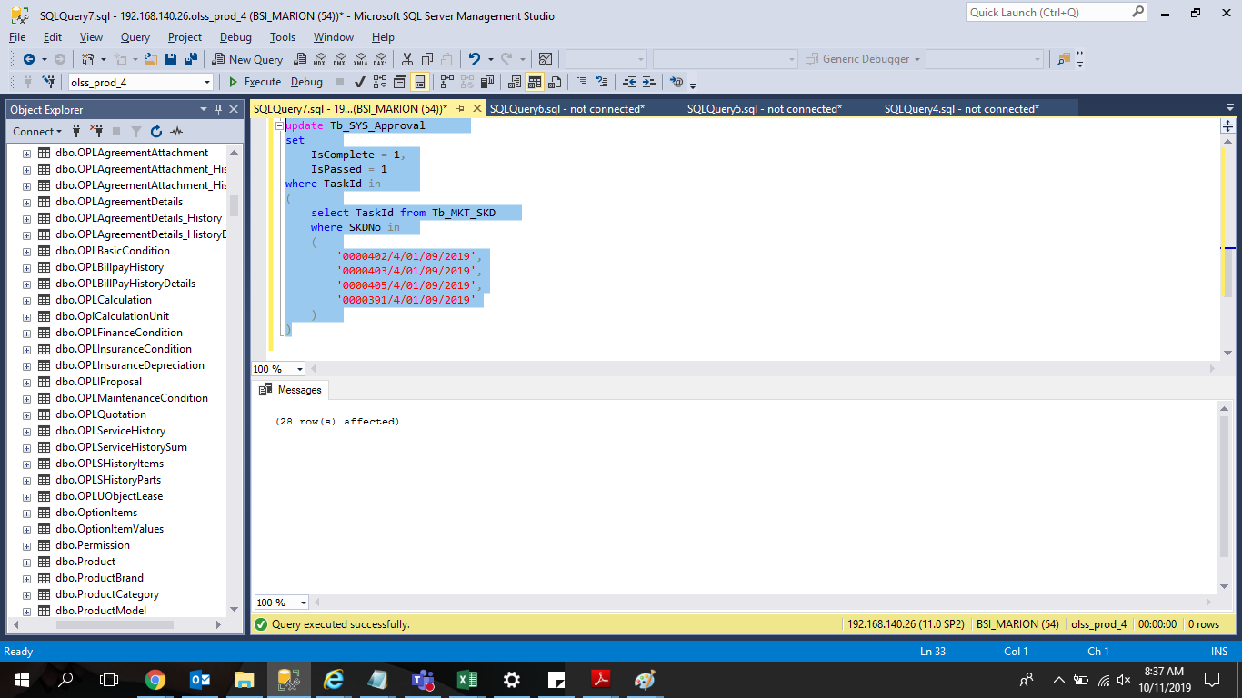
 |  | '0000405/4/01/09/2019',
 |  | '0000391/4/01/09/2019'
 | )
)

